CS3656
Date :2023-12-8
Design# | Vendor Style No | Sku No | Metal Kt / Color | Metal Rate $ P. Oz | Metal Wt. in Gm | Metal Rate in Gms | Metal Cost | Finding Cost | Stone Shape | Stone Qlty | Sieve / MM | Stone Size | Stone wt. Total | Stone Rate | Stone Cost | Stone Pcs | Setting Type | Setting Rate | Setting Charges | Other Charges | Charges | Details | Minimum Diam Wt | Cost | Price 1
VD163D2-R6650 | D2-RF2A4431 | ZR1710E-270GD-A | 14KW | $2,800 | 3.00 | 58.81 | 176.44 | LOWG2A | OVAL | G VS2 | 8.70 X 6.40 | 1.5000 |  |  | 0.00 | 1 | prong |  | 0.00 | C F P | 10.10 | Semi / Comp | 0.7 | $200.25
 | RM 5595 | ZR1710SM-70GH-A |  |  |  |  |  | LRWG3A | RND | E VS2 | 3.20 |  | 0.000 | $0 | 0.00 | 2 | channel | 2.00 | 4.00 | J Back |  | Duty/Ship |  | $14.02
 | ring size 6.5 | ZR1710SM-70CZ-L |  |  |  |  |  | LRWG3A | RND | E VS2 | 3.00 |  | 0.000 | $0 | 0.00 | 2 | channel | 2.00 | 4.00 | Dia. Han. | 0.00 | Total Imp. Cost |  | $214.27 | $430.00
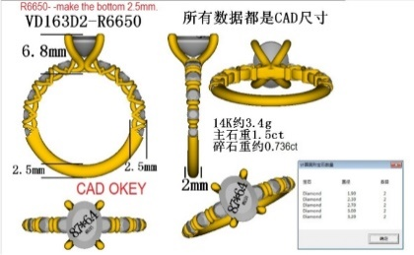
 |  |  |  |  |  |  |  | LRWG3A | RND | E VS2 | 2.70 |  | 0.000 | $0 | 0.00 | 2 | channel | 0.60 | 1.20 | Miligrain |  | Center | 2.00
 |  |  |  |  |  |  |  | LRWG3A | RND | E VS2 | 2.30 |  | 0.000 | $0 | 0.00 | 2 | channel | 0.60 | 1.20 | Two Tone |  | Setting |  | $24.00
 |  |  |  |  |  |  |  | LRWG3A | RND | E VS2 | 1.90 |  | 0.000 | $0 | 0.00 | 2 | channel | 0.60 | 1.20 | Solder
 |  |  |  |  |  |  |  |  |  |  |  |  |  |  |  |  |  |  |  | Rhodium | 2.00
Main Category
Sub Category |  |  |  |  |  |  |  |  |  |  |  |  |  |  |  |  |  |  |  |  |  | Total | 2.70 | $238 | $430
Collection |  |  |  |  |  | Total | 176.44 | 0 |  |  |  |  | 0.00 |  | 0.00 | 11 |  |  | 11.60 |  | 12.10 | Net Margin |  |  | 45%

